TestSummary
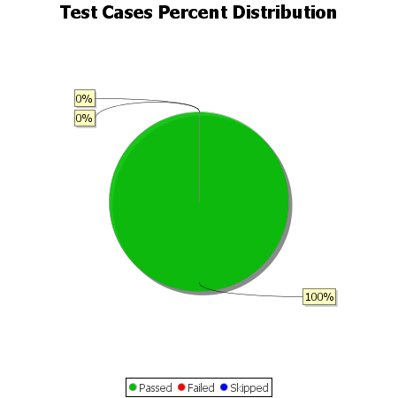
Total Test Cases | 16
Test Cases Passed | 16
Test Cases Failed | 0
Test Cases Skipped | 0

